Hoja1
Time (minute) | Machine A1 |  | Machine A2
 | On | Off | On | Off
0 - 10 | W1 |  | W2
10 a 20
20 a 30 |  | W1
30 a 40 | W3 |  |  | W2
40 a 50 |  | W3 | W1
50 a 60 | W4
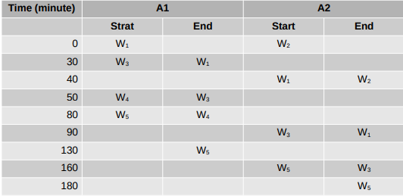
60 a 70
70 a 80 |  | W4
80 a 90 | W5 |  |  | W1
90 a 100 |  |  | W3
100 a 110
110 a 120
120 a 130 |  | W5
130 a 140
140 a 150
150 a 160 |  |  |  | W3
160 a 170 |  |  | W5
170 a 180 |  |  |  | W5
180 a 190

 |  |  |  |  | No | Name | Type | Letra
 |  |  |  |  | 1 | Action - Machine 1 | out | A1
 |  |  |  |  | 2 | Action - Machine 2 | out | A2
 |  |  |  |  | 3 | Work Led 1 - In Machine 1 | out | W1.1
 |  |  |  |  | 4 | Work Led 2 - In Machine 1 | out | W2.1
 |  |  |  |  | 5 | Work Led 3 - In Machine 1 | out | W3.1
 |  |  |  |  | 6 | Work Led 4 - In Machine 1 | out | W4.1
 |  |  |  |  | 7 | Work Led 5 - In Machine 1 | out | W5.1
 |  |  |  |  | 8 | Work Led 1 - In Machine 2 | out | W1.2
 |  |  |  |  | 9 | Work Led 2 - In Machine 2 | out | W2.2
 |  |  |  |  | 10 | Work Led 3 - In Machine 2 | out | W3.2
 |  |  |  |  | 11 | Work Led 4 - In Machine 2 | out | W4.2
 |  |  |  |  | 12 | Work Led 5 - In Machine 2 | out | W5.2
 |  |  |  |  | 13 | Work Finish Machine 1 LED | out | L1
 |  |  |  |  | 14 | Work Finish Machine 2 LED | out | L2
 |  |  |  |  | 15 | Button Start Process | in | M

